HeatMap
 | Sx | Sx | Sx | Pli | Pli | Pli | Lw | Lw | Lw | Fdi | Fdi | Fdi | Cw | Cw
 | 39619 | 8482 | 63594 | 32274 | 13903 | 63705 | 39282 | 35192 | 63578 | 48678 | 8492 | 63540 | 53977 | 48519
 | Local | Near | Far | Local | Near | Far | Local | Near | Far | Local | Near | Far | Local | Near
Note: At this site the orientation was not north south as in the other trials |  |  |  |  |  |  |  |  |  |  |  |  |  |  | 2019 Fall Survival Surveys |  |  |  |  |  |  |  |  |  |  |  |  |  |  |  |  |  | 2020 Spring Survival Surveys |  |  |  |  |  |  |  |  |  |  |  |  |  |  |  |  |  | 2020 Fall Survival Surveys

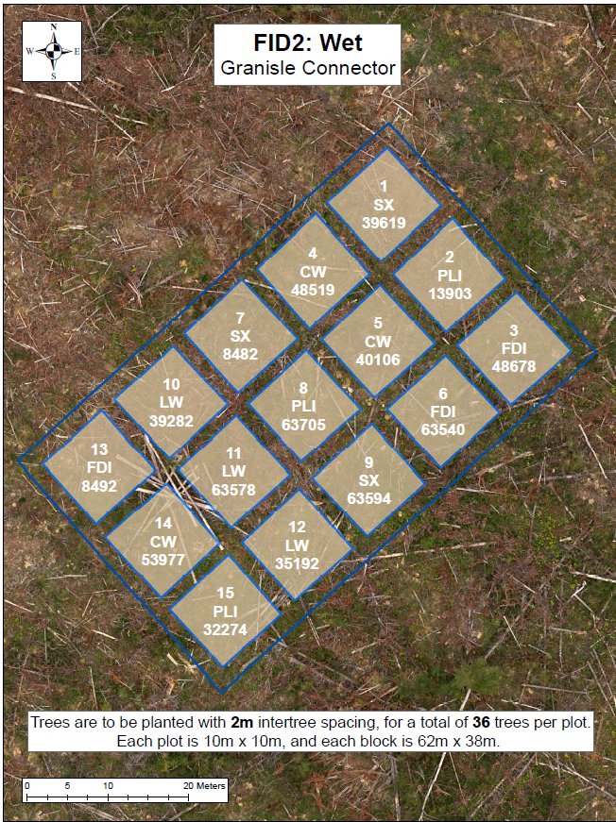
 |  |  |  |  |  |  |  |  |  |  |  |  |  |  | Good | Good | Good | Good | Good | Good | Good | Good | Poor | Poor | Poor | Fair | Good | Poor | Good | Good | Fair | Poor | Fair | Good | Good | Fair | Good | Good | Good | Fair | Poor | Poor | Fair | Good | Fair | Poor | Good | Good | Fair | Fair | Fair | Good | Good | Good | Good | Good | Good | Good | Poor | Poor | Fair | Good | Fair | Missing | Fair | Good | Fair | Good
 |  |  |  |  |  |  |  |  |  |  |  |  |  |  | Good | Good | Good | Good | Good | Good | Good | Good | Fair | Poor | Poor | Poor | Poor | Good | Good | Good | Fair | Poor | Fair | Good | Good | Good | Good | Good | Good | Fair | Fair | Poor | Fair | Poor | Poor | Poor | Fair | Good | Good | Fair | Fair | Good | Good | Good | Good | Good | Good | Fair | Fair | Fair | Fair | Poor | Dead | Fair | Dead | Good | Fair | Fair
 |  |  |  |  |  |  |  |  |  |  |  |  |  |  | Good | Good | Good | Good | Good | Good | Fair | Good | Poor | Good | Poor | Fair | Poor | Poor | Good | Good | Fair | Fair | Good | Good | Good | Good | Good | Good | Fair | Good | Poor | Good | Fair | Fair | Missing | Dead | Fair | Good | Good | Fair | Good | Good | Good | Good | Good | Good | Fair | Good | Dead | Good | Fair | Fair | Missing | Dead | Poor | Good | Good | Dead
 |  |  |  |  |  |  |  |  |  |  |  |  |  |  | Good | Good | Good | Fair | Good | Good | Good | Fair | Good | Poor | Fair | Fair | Fair | Poor | Good | Good | Good | Fair | Good | Good | Fair | Good | Good | Good | Good | Fair | Good | Fair | Fair | Fair | Fair | Fair | Fair | Fair | Good | Good | Good | Good | Fair | Good | Good | Good | Good | Fair | Fair | Fair | Fair | Fair | Missing | Moribund | Poor | Dead | Good | Dead
 |  |  |  |  |  |  |  |  |  |  |  |  |  |  | Fair | Good | Good | Good | Good | Good | Fair | Good | Fair | Good | Poor | Poor | Fair | Poor | Fair | Fair | Fair | Fair | Good | Good | Good | Fair | Good | Good | Fair | Fair | Fair | Good | Fair | Moribund | Fair | Dead | Poor | Good | Good | Fair | Good | Good | Good | Good | Good | Good | Good | Good | Good | Good | Fair | Missing | Fair | Dead | Missing | Poor | Good | Fair
 |  |  |  |  |  |  |  |  |  |  |  |  |  |  | #REF! | Good | Fair | Good | Good | Good | Good | Good | Fair | Good | Fair | Poor | Fair | Good | Good | Fair | Fair | Good | Good | Good | Good | Good | Good | Good | Good | Good | Fair | Good | Fair | Good | Fair | Good | Good | Fair | Poor | Poor | Good | Good | Fair | Good | Good | Good | Good | Good | Fair | Fair | Good | Good | Moribund | Good | Fair | Missing | Dead | Dead

 |  |  |  |  |  |  |  |  |  |  |  |  |  |  | Good | Good | Good | Moribund | Good | Fair | Fair | Fair | Good | Fair | Good | Good | Fair | Poor | Fair | Fair | Poor | Poor | Poor | Fair | Poor | Moribund | Fair | Poor | Fair | Fair | Poor | Poor | Fair | Poor | Fair | Fair | Fair | Dead | Moribund | Poor | Fair | Poor | Moribund | Poor | Fair | Poor | Poor | Fair | Poor | Fair | Poor | Fair | Fair | Poor | Good | Dead | Missing | Poor
 |  |  |  |  |  |  |  |  |  |  |  |  |  |  | Good | Good | Poor | Fair | Good | Good | Good | Good | Fair | Good | Poor | Fair | Poor | Poor | Fair | Fair | Poor | Fair | Poor | Fair | Moribund | Fair | Fair | Poor | Fair | Poor | Poor | Fair | Poor | Poor | Moribund | Moribund | Moribund | Poor | Missing | Fair | Poor | Poor | Moribund | Poor | Poor | Poor | Poor | Poor | Fair | Poor | Fair | Missing | Dead | Missing | Dead | Moribund | Missing | Missing
 |  |  |  |  |  |  |  |  |  |  |  |  |  |  | Good | Fair | Fair | Good | Good | Good | Good | Good | Good | Fair | Fair | Good | Poor | Poor | Fair | Fair | Poor | Fair | Fair | Fair | Poor | Fair | Poor | Moribund | Poor | Fair | Fair | Fair | Fair | Fair | Poor | Poor | Poor | Fair | Poor | Fair | Fair | Moribund | Poor | Poor | Fair | Dead | Poor | Fair | Poor | Poor | Fair | Fair | Poor | Moribund | Dead | Fair | Dead | Fair
 |  |  |  |  |  |  |  |  |  |  |  |  |  |  | Fair | Good | Good | Good | Good | Good | Fair | Good | Good | Good | Fair | Good | Poor | Fair | Fair | Fair | Poor | Poor | Poor | Poor | Fair | Moribund | Poor | Fair | Fair | Poor | Good | Fair | Fair | Fair | Missing | Fair | Fair | Poor | Poor | Poor | Moribund | Dead | Poor | Dead | Poor | Poor | Good | Moribund | Poor | Poor | Poor | Fair | Missing | Poor | Fair | Poor | Dead | Dead
 |  |  |  |  |  |  |  |  |  |  |  |  |  |  | Poor | Good | Good | Fair | Good | Fair | Good | Good | Good | Good | Good | Good | Poor | Fair | Fair | Fair | Poor | Fair | Fair | Fair | Fair | Poor | Fair | Fair | Good | Good | Fair | Good | Fair | Poor | Fair | Poor | Good | Poor | Fair | Fair | Fair | Fair | Fair | Moribund | Poor | Poor | Fair | Fair | Fair | Good | Fair | Poor | Fair | Dead | Good | Moribund | Poor | Poor
 |  |  |  |  |  |  |  |  |  |  |  |  |  |  | Good | Good | Good | Good | Fair | Fair | Good | Good | Fair | Good | Good | Good | Fair | Fair | Fair | Poor | Poor | Poor | Good | Fair | Good | Good | Moribund | Poor | Poor | Fair | Poor | Fair | Fair | Fair | Fair | Moribund | Fair | Poor | Fair | Fair | Poor | Dead | Fair | Good | Missing | Fair | Poor | Fair | Poor | Good | Poor | Fair | Fair | Dead | Dead | Poor | Poor | Poor

 |  |  |  |  |  |  |  |  |  |  |  |  |  |  | Good | Good | Good | Good | Good | Fair | Good | Good | Good | Good | Poor | Good | Good | Good | Good | Good | Good | Good | Good | Good | Good | Good | Good | Good | Fair | Good | Good | Good | Good | Good | Good | Good | Good | Poor | Fair | Good | Good | Good | Good | Good | Good | Good | Good | Good | Good | Good | Good | Good | Missing | Good | Good | Fair | Fair | Good
 |  |  |  |  |  |  |  |  |  |  |  |  |  |  | Fair | Good | Good | Good | Good | Good | Good | Good | Fair | Good | Good | Good | Good | Good | Fair | Good | Fair | Good | Fair | Good | Good | Good | Good | Good | Good | Good | Good | Poor | Good | Good | Good | Good | Fair | Good | Fair | Good | Good | Good | Good | Good | Good | Fair | Good | Good | Good | Fair | Good | Good | Good | Fair | Fair | Good | Good | Good
 |  |  |  |  |  |  |  |  |  |  |  |  |  |  | Good | Good | Good | Good | Good | Good | Good | Fair | Good | Good | Good | Good | Good | Fair | Good | Good | Fair | Poor | Good | Good | Good | Good | Good | Good | Good | Good | Good | Good | Good | Good | Good | Fair | Fair | Good | Fair | Poor | Good | Good | Good | Good | Good | Good | Good | Good | Good | Good | Good | Good | Good | Good | Good | Good | Good | Good
 |  |  |  |  |  |  |  |  |  |  |  |  |  |  | Fair | Good | Good | Good | Fair | Good | Good | Good | Fair | Good | Good | Good | Good | Poor | Good | Good | Good | Good | Good | Good | Good | Good | Poor | Good | Fair | Good | Fair | Good | Good | Fair | Good | Poor | Good | Good | Good | Good | Good | Good | Good | Good | Poor | Good | Good | Good | Good | Good | Good | Good | Fair | Poor | Good | Good | Good | Poor
 |  |  |  |  |  |  |  |  |  |  |  |  |  |  | Good | Good | Good | Good | Fair | Good | Good | Good | Good | Fair | Good | Good | Good | Good | Good | Good | Good | Good | Good | Good | Good | Good | Fair | Good | Good | Fair | Good | Good | Good | Good | Good | Good | Good | Good | Good | Good | Poor | Good | Good | Good | Good | Good | Good | Good | Good | Good | Good | Good | Good | Good | Fair | Good | Good | Good
 |  |  |  |  |  |  |  |  |  |  |  |  |  |  | Good | Good | Good | Good | Good | Good | Good | Good | Fair | Poor | Good | Poor | Fair | Good | Good | Good | Good | Good | Good | Good | Good | Good | Good | Good | Good | Poor | Good | Fair | Fair | Good | Fair | Good | Good | Good | Good | Good | Fair | Good | Good | Good | Good | Good | Fair | Dead | Good | Fair | Fair | Good | Good | Fair | Good | Good | Good | Good

 |  |  |  |  |  |  |  |  |  |  |  |  |  |  | Poor | Fair | Fair | Fair | Good | Fair | Good | Poor | Good | Good | Fair | Good | Good | Fair | Poor | Poor | Good | Good | Fair | Good | Moribund | Good | Poor | Fair | Moribund | Poor | Poor | Moribund | Dead | Poor | Dead | Dead | Poor | Fair | Good | Good | Fair | Fair | Dead | Poor | Dead | Fair | Poor | Fair | Good | Dead | Dead | Dead | Poor | Dead | Fair | Good | Good | Dead
 |  |  |  |  |  |  |  |  |  |  |  |  |  |  | Poor | Fair | Good | Poor | Good | Fair | Fair | Good | Fair | Good | Fair | Good | Good | Good | Fair | Good | Fair | Poor | Moribund | Fair | Moribund | Moribund | Good | Fair | Poor | Poor | Poor | Poor | Poor | Poor | Good | Fair | Moribund | Fair | Good | Fair | Dead | Poor | Missing | Missing | Fair | Moribund | Poor | Good | Moribund | Good | Fair | Missing | Poor | Dead | Good | Good | Good | Good
 |  |  |  |  |  |  |  |  |  |  |  |  |  |  | Poor | Poor | Poor | Poor | Good | Good | Poor | Good | Good | Fair | Good | Fair | Good | Good | Good | Poor | Good | Dead | Poor | Poor | Poor | Poor | Good | Poor | Poor | Dead | Moribund | Fair | Poor | Poor | Poor | Moribund | Fair | Poor | Fair | Dead | Poor | Dead | Moribund | Poor | Good | Poor | Fair | Dead | Dead | Good | Fair | Good | Fair | Dead | Fair | Dead | Fair | Dead
 |  |  |  |  |  |  |  |  |  |  |  |  |  |  | Fair | Good | Poor | Good | Fair | Good | Fair | Fair | Fair | Fair | Good | Fair | Poor | Poor | Good | Fair | Good | Good | Poor | Good | Fair | Good | Fair | Fair | Poor | Poor | Poor | Poor | Poor | Poor | Fair | Poor | Moribund | Poor | Poor | Poor | Fair | Fair | Moribund | Fair | Fair | Poor | Moribund | Dead | Poor | Poor | Fair | Good | Good | Poor | Dead | Dead | Fair | Dead
 |  |  |  |  |  |  |  |  |  |  |  |  |  |  | Good | Good | Poor | Fair | Poor | Fair | Fair | Good | Good | Good | Good | Fair | Good | Fair | Good | Good | Good | Good | Moribund | Poor | Fair | Good | Poor | Poor | Fair | Poor | Poor | Fair | Poor | Poor | Poor | Fair | Poor | Poor | Poor | Poor | Dead | Dead | Poor | Moribund | Moribund | Poor | Good | Fair | Good | Fair | Fair | Missing | Good | Fair | Missing | Dead | Good | Good
 |  |  |  |  |  |  |  |  |  |  |  |  |  |  | Poor | Poor | Moribund | Good | Poor | Fair | Fair | Fair | Good | Fair | Fair | Good | Fair | Good | Fair | Fair | Poor | Good | Fair | Moribund | Poor | Poor | Poor | Fair | Moribund | Fair | Moribund | Poor | Poor | Moribund | Dead | Poor | Poor | Good | Moribund | Poor | Poor | Dead | Poor | Dead | Poor | Poor | Fair | Poor | Dead | Poor | Poor | Dead | Dead | Dead | Dead | Good | Dead | Good

 |  |  |  |  |  |  |  |  |  |  |  |  |  |  | Good | Fair | Good | Good | Good | Good | Good | Poor | Good | Good | Good | Good | Poor | Poor | Fair | Poor | Good | Poor | Good | Good | Good | Good | Good | Good | Fair | Moribund | Poor | Poor | Fair | Good | Fair | Fair | Poor | Poor | Good | Good | Good | Good | Fair | Good | Good | Good | Good | Moribund | Poor | Poor | Good | Fair | Fair | Good | Poor | Missing | Good | Good
 |  |  |  |  |  |  |  |  |  |  |  |  |  |  | Good | Fair | Fair | Poor | Fair | Fair | Fair | Fair | Good | Fair | Good | Good | Good | Good | Good | Good | Good | Good | Good | Poor | Fair | Fair | Fair | Fair | Fair | Fair | Fair | Fair | Fair | Fair | Good | Good | Good | Good | Good | Good | Good | Missing | Fair | Fair | Poor | Missing | Poor | Good | Fair | Fair | Fair | Fair | Good | Good | Good | Good | Good | Good
 |  |  |  |  |  |  |  |  |  |  |  |  |  |  | Good | Fair | Fair | Fair | Fair | Poor | Good | Good | Good | Good | Good | Fair | Good | Poor | Good | Good | Poor | Good | Good | Fair | Fair | Fair | Fair | Moribund | Poor | Poor | Poor | Fair | Fair | Fair | Good | Poor | Good | Good | Fair | Good | Good | Fair | Fair | Fair | Fair | Missing | Fair | Poor | Poor | Good | Good | Poor | Good | Fair | Good | Good | Fair | Good
 |  |  |  |  |  |  |  |  |  |  |  |  |  |  | Good | Fair | Poor | Poor | Fair | Poor | Good | Good | Fair | Good | Good | Good | Good | Fair | Good | Good | Fair | Fair | Good | Fair | Poor | Poor | Fair | Poor | Fair | Fair | Fair | Good | Poor | Fair | Good | Good | Good | Good | Fair | Fair | Good | Fair | Poor | Poor | Fair | Missing | Good | Good | Fair | Good | Moribund | Good | Good | Fair | Fair | Good | Fair | Good
 |  |  |  |  |  |  |  |  |  |  |  |  |  |  | Fair | Poor | Fair | Good | Poor | Fair | Good | Fair | Good | Good | Good | Fair | Good | Poor | Poor | Good | Good | Good | Fair | Fair | Fair | Good | Fair | Fair | Poor | Fair | Good | Fair | Fair | Poor | Good | Fair | Fair | Good | Good | Good | Poor | Good | Fair | Good | Poor | Fair | Poor | Good | Good | Fair | Poor | Good | Fair | Poor | Poor | Good | Good | Good
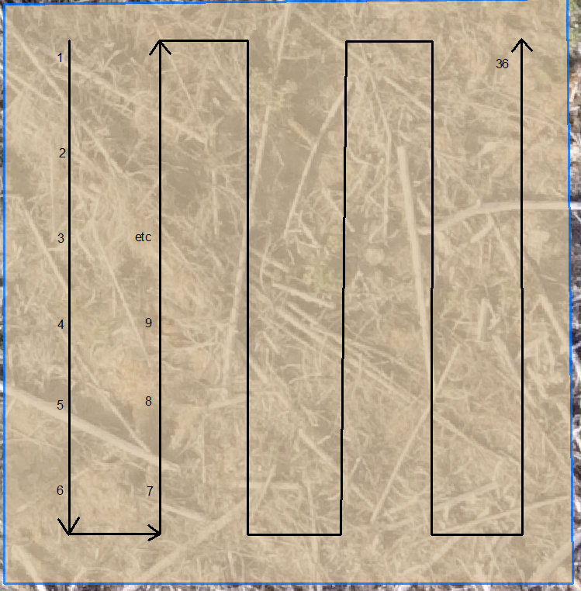
 |  |  |  |  |  |  |  |  |  |  |  |  |  |  | Fair | Fair | Good | Fair | Fair | Good | Good | Fair | Good | Good | Good | Fair | Poor | Poor | Good | Good | Good | Good | Fair | Good | Fair | Fair | Good | Poor | Fair | Poor | Poor | Poor | Poor | Poor | Fair | Poor | Good | Good | Good | Good | Good | Fair | Dead | Fair | Moribund | Moribund | Good | Dead | Good | Moribund | Good | Good | Poor | Poor | Good | Good | Good | Fair

Height Stats
 | Sx | Sx | Sx | Pli | Pli | Pli | Lw | Lw | Lw | Fdi | Fdi | Fdi | Cw | Cw | Cw
 | 39619 | 8482 | 63594 | 32274 | 13903 | 63705 | 39282 | 35192 | 63578 | 48678 | 8492 | 63540 | 53977 | 48519 | 40106
Average Height (cm) | 41.9 | 42.8 | 42.2 | 37.3 | 34.3 | 43.6 | 28.3 | 42.6 | 32.7 | 25.8 | 23.5 | 15.6 | 27.9 | 27.5 | 24.1
Min Height | 30.0 | 30.0 | 22.0 | 17.0 | 18.0 | 15.0 | 13.0 | 17.0 | 21.0 | 12.0 | 10.0 | 9.0 | 16.0 | 16.0 | 14.0
Max Height | 57.0 | 58.0 | 55.0 | 56.0 | 52.0 | 65.0 | 48.0 | 69.0 | 57.0 | 57.0 | 48.0 | 23.0 | 41.0 | 46.0 | 37.0
Average Diameter (mm) | 8.0 | 9.1 | 7.6 | 7.8 | 7.9 | 9.5 | 5.1 | 6.2 | 5.3 | 6.2 | 4.4 | 3.6 | 4.5 | 4.9 | 5.5
Min Diameter | 4.0 | 7.0 | 3.0 | 5.0 | 4.0 | 7.0 | 3.0 | 3.0 | 3.0 | 3.0 | 3.0 | 2.5 | 2.0 | 2.0 | 3.0
Max Diameter | 13.0 | 13.0 | 11.0 | 12.0 | 12.0 | 12.0 | 7.0 | 9.0 | 9.0 | 10.0 | 10.0 | 6.0 | 7.0 | 9.5 | 9.0
Average Leader Length (cm) | 18.0 | 16.9 | 16.4 | 17.2 | 14.5 | 16.3 | 11.1 | 16.9 | 16.6 | 9.9 | 7.0 | 4.9 | 9.7 | 14.2 | 14.2
Min Leader Length | 7.0 | 5.0 | 3.0 | 1.0 | 2.0 | 7.0 | 1.0 | 2.0 | 6.0 | 3.0 | 0.0 | 1.0 | 3.0 | 2.0 | 2.0
Max Leader Length | 28.0 | 26.0 | 32.0 | 29.0 | 28.0 | 35.0 | 24.0 | 39.0 | 36.0 | 28.0 | 23.0 | 7.5 | 17.0 | 27.0 | 23.0

